Guide
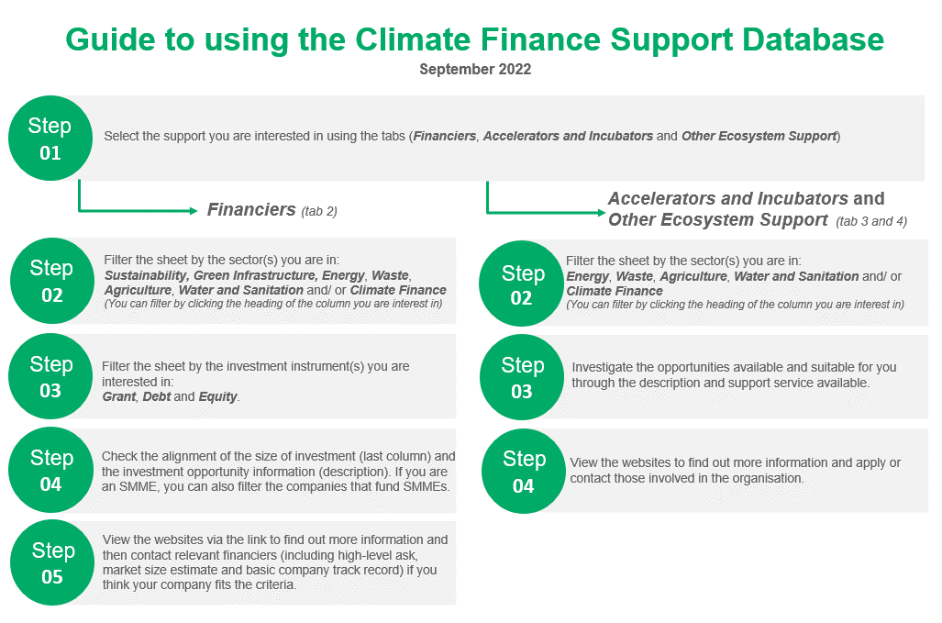
The Climate Finance Support Database includes an extensive list of financiers as well as incubators, accelerators and other ecosystem support for your project or organisation. Please note that this is not an exhaustive list, and we do not recommend any particular organisation. You must do your own research on the organisations before taking next steps. | Updated: 05-Oct-22

